Sheet1
 | Operator Joystick |  |  |  |  | v2.1 (Feb 19, 2019)

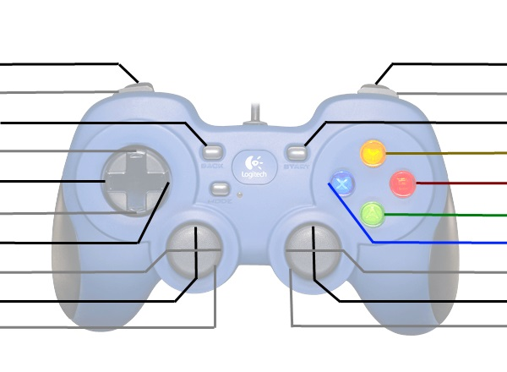
Climb from Level 1 to 3* |  |  |  |  |  | Deliver Hatch/Cargo
Pick-up Cargo From Loading Station |  |  |  |  |  | *Set Manipulator Flipper Forward
Expand/Contract Hatch Panel Grabber |  |  |  |  |  | *Enable/Disable Ball Intake Wheels
Up-Shift |  |  |  |  |  | *Go to L1 Hatch Cover Delivery Height
Left-Shift |  |  |  |  |  | *Go to L1 Cargo Delivery Height
Down-Shift |  |  |  |  |  | Pick-up Cargo From Floor
Righ-Shift |  |  |  |  |  | Pick-up Hatch Cover From Loading St.

Manipulator Intake In/Out |  |  |  |  |  | *Elevator Up/Down
Kill Everything |  |  |  |  |  | Kill Everything

 | *Shift | RB | Y | B | LT
 | Up | Man. Flipper Up | L3 Hatch Cover Height | L3 Cargo Height | Climb from L1 to L3
 | Right | Man. Flipper Forward | L2 Hatch Cover Height | L2 Cargo Height | Climb from L2 to L3
 | Down | - | L1 Hatch Cover Height | L1 Cargo Height | Climb from L1 to L2
 | Left | Man. Flipper Backwards | - | Cargo Ship Height | -

 | *Shift | Right Vertical Axis | Start
 | Up | Ball Intake In/Out | Ball Intake Unfold/Fold
 | Right | Manipulator Flip Fwd/Bck | Shift To High/Low Gear
 | Down | - | -
 | Left | - | -

 | Driver Joystick

 |  |  |  |  |  | Drive To Vision Target

 |  |  |  |  |  | Arcade Drive Turn
Arcade Drive Fwd/Back
Kill Everything |  |  |  |  |  | Kill Everything

